Sheet1
 |  | Enter Reading No. | Diameter(mm) | Roughness(m) | Reynolds number
 |  | 2 | 3.44 | 0.000015 | 3075.1449276
Colebrook Equation |  |  |  |  | Input Data |  |  | Specifications
Fricition Factor | A | B | B-A |  | Parameter | Value | Unit | Four Pipes
0.028959009309 | 5.8763566968 | 4.4473366974 | -1.4290199995 |  | Diameter D | 0.00344 | m | S.S Pipe With Internal Diameter |  |  | 9.54 | mm
for Calculating Friction Factor, Put Reading Number in Yellow box, and in Data tab, Under what If Analysis, Click Goal Seek. For 1st Row, Entet D5 Cell, For Target Value, Enter 0, For Cell to be Changed, enter A5 |  |  |  |  | Relative Roughness,€/D | 0.0043604651163 | - | S.S Pipe With Internal Diameter |  |  | 16.72 | mm
 |  |  |  |  | Reynolds Number, Re | 3075.1449276 | - | S.S Pipe With Internal Diameter |  |  | 6.88 | mm
 |  |  |  |  |  |  |  | S.S Pipe With Internal Diameter |  |  | 3.44 | mm
 |  |  |  |  |  |  |  | Test Length Of Pipe |  |  | 1 | m
 |  |  |  |  |  |  |  | Roughness Of S.S. Pipe (e) |  |  | 0.015 | mm
LHS is A, and RHS is B of Colebrook Equation

Obeservation table |  |  |  |  | Results
Reading Number | Pipe (mm) | Sr. No | Pressure Drop (bar) | Discharge Q (LitrePer Minute) | Discharge(m^3/sec) | Velocity Of Flow(m/s) | hf(Pressure Head) = P/(Rho*g) | f(expt.) Darcy Eqn. | Reynolds Number | f(theoritical) | L(m) | PI Value | Rho Value(Kg/m^3) | Coefficient Of Vicosity | f(Moody Chart- Made By Observing the Chart)
1 | 3.44 | 1 | 0.154 | 0.3 | 0.000005 | 0.53797641662 | 1.5761570426 | 0.36718719294 | 1845.0869565 | 0.053946683806 | 1 | 3.1415926536 | 997 | 0.001 | 0.034686712067 | IF(J19<3000,64/J19,NA())
2 | 3.44 | 2 | 0.453 | 0.5 | 8.3333333333E-06 | 0.89662736103 | 4.6363580538 | 0.38883693133 | 3075.1449276 | 0.047014282764 | 1 | 3.1415926536 | 997 | 0.001 | 0.045 | Paste =Formula in Above Cell for obtaining laminar flow values, and for Turbulent (Re>3000)ovserve and write
3 | 3.44 | 3 | 0.666 | 0.6 | 0.00001 | 1.0759528332 | 6.8163674698 | 0.39699134821 | 3690.1739131 | 0.044967183601 | 1 | 3.1415926536 | 997 | 0.001 | 0.042 | f moody Calculator | https://www.advdelphisys.com/michael_maley/moody_chart/
4 | 3.44 | 4 | 0.955 | 0.7 | 1.1666666667E-05 | 1.2552783054 | 9.774220621 | 0.4182313707 | 4305.2028986 | 0.043389012898 | 1 | 3.1415926536 | 997 | 0.001 | 0.039068264978
ALL D values f(Darcy Equation) v/s Reynolds Number
5 | 3.44 | 5 | 1.136 | 0.8 | 1.3333333333E-05 | 1.4346037776 | 11.626716885 | 0.38089710436 | 4920.2318841 | 0.042127932024 | 1 | 3.1415926536 | 997 | 0.001 | 0.037582930886
6 | 6.88 | 1 | 0.204 | 2.1 | 0.000035 | 0.94145872908 | 2.0878963421 | 0.31765147038 | 6457.8043479 | 0.037399260079 | 1 | 3.1415926536 | 997 | 0.001 | 0.034798318413
7 | 6.88 | 2 | 0.369 | 2.9 | 4.8333333333E-05 | 1.3001096735 | 3.7766360305 | 0.30129343058 | 8917.92029 | 0.03485387644 | 1 | 3.1415926536 | 997 | 0.001 | 0.03186239858
8 | 6.88 | 3 | 0.474 | 3.4 | 5.6666666667E-05 | 1.5242665137 | 4.8512885596 | 0.28156573317 | 10455.492754 | 0.033739002783 | 1 | 3.1415926536 | 997 | 0.001 | 0.030545389664
9 | 6.88 | 4 | 0.522 | 3.5 | 5.8333333333E-05 | 1.5690978818 | 5.3425582871 | 0.29261306036 | 10763.007246 | 0.033547032314 | 1 | 3.1415926536 | 997 | 0.001 | 0.03031386325
10 | 6.88 | 5 | 0.569 | 3.7 | 6.1666666667E-05 | 1.6587606179 | 5.8235932287 | 0.28540929336 | 11378.036232 | 0.033185980305 | 1 | 3.1415926536 | 997 | 0.001 | 0.029877048878
11 | 9.54 | 1 | 0.212 | 4.1 | 6.8333333333E-05 | 0.95597376844 | 2.16977463 | 0.44394290733 | 9092.6297816 | 0.03389165216 | 1 | 3.1415926536 | 997 | 0.001 | 0.031697427435
12 | 9.54 | 2 | 0.372 | 5.4 | 0.00009 | 1.2590874023 | 3.8073403885 | 0.44907036346 | 11975.658737 | 0.03196724545 | 1 | 3.1415926536 | 997 | 0.001 | 0.029482650751
13 | 9.54 | 3 | 0.464 | 6 | 0.0001 | 1.3989860026 | 4.7489406996 | 0.4537059285 | 13306.287485 | 0.031288330245 | 1 | 3.1415926536 | 997 | 0.001 | 0.028694249511
14 | 9.54 | 4 | 0.588 | 6.8 | 0.00011333333333 | 1.5855174696 | 6.0180541625 | 0.44762926814 | 15080.45915 | 0.03053548108 | 1 | 3.1415926536 | 997 | 0.001 | 0.027796721594
15 | 9.54 | 5 | 0.632 | 7.1 | 0.00011833333333 | 1.6554667697 | 6.4683847461 | 0.4413258387 | 15745.773524 | 0.030295895371 | 1 | 3.1415926536 | 997 | 0.001 | 0.027496563474
16 | 16.72 | 1 | 0.024 | 7.5 | 0.000125 | 0.56930839171 | 0.24563486377 | 0.24836316253 | 9490.2798004 | 0.032627372506 | 1 | 3.1415926536 | 997 | 0.001 | 0.031337788762
17 | 16.72 | 2 | 0.038 | 9.4 | 0.00015666666667 | 0.71353318427 | 0.38892186764 | 0.25033775648 | 11894.484016 | 0.030971999652 | 1 | 3.1415926536 | 997 | 0.001 | 0.029534616522
18 | 16.72 | 3 | 0.05 | 10.8 | 0.00018 | 0.81980408406 | 0.51173929953 | 0.24952896184 | 13666.002913 | 0.030030852064 | 1 | 3.1415926536 | 997 | 0.001 | 0.028499487549
19 | 16.72 | 4 | 0.06 | 12 | 0.0002 | 0.91089342673 | 0.61408715944 | 0.24254215091 | 15184.447681 | 0.02935045453 | 1 | 3.1415926536 | 997 | 0.001 | 0.027748627173
20 | 16.72 | 5 | 0.068 | 12.8 | 0.00021333333333 | 0.97161965518 | 0.69596544736 | 0.24159472063 | 16196.744193 | 0.028959009309 | 1 | 3.1415926536 | 997 | 0.001 | 0.027302770598
 |  |  |  |  |  |  |  |  |  |  |  |  |  |  |  |  | Reynolds Number | f(expt.) Darcy Eqn.
 |  |  |  |  |  |  |  |  |  |  |  |  |  |  |  |  | 1845.0869565 | 0.36718719294
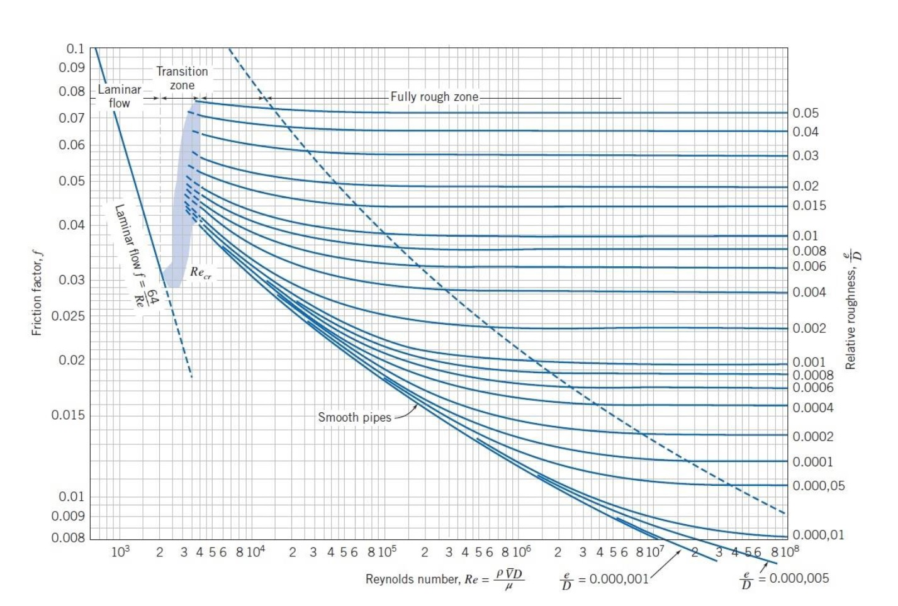
 |  |  |  |  |  |  |  |  |  |  |  |  |  |  |  |  | 3075.1449276 | 0.38883693133
 |  |  |  |  |  |  |  |  |  |  |  |  |  |  |  |  | 3690.1739131 | 0.39699134821
 |  |  |  |  |  |  |  |  |  |  |  |  |  |  |  |  | 4305.2028986 | 0.4182313707
 |  |  |  |  |  |  |  |  |  |  |  |  |  |  |  |  | 4920.2318841 | 0.38089710436
 |  |  |  |  |  |  |  |  |  |  |  |  |  |  |  |  | 6457.8043479 | 0.31765147038
 |  |  |  |  |  |  |  |  |  |  |  |  |  |  |  |  | 8917.92029 | 0.30129343058
 |  |  |  |  |  |  |  |  |  |  |  |  |  |  |  |  | 10455.492754 | 0.28156573317
 |  |  |  |  |  |  |  |  |  |  |  |  |  |  |  |  | 10763.007246 | 0.29261306036
 |  |  |  |  |  |  |  |  |  |  |  |  |  |  |  |  | 11378.036232 | 0.28540929336
 |  |  |  |  |  |  |  |  |  |  |  |  |  |  |  |  | 9092.6297816 | 0.44394290733
 |  |  |  |  |  |  |  |  |  |  |  |  |  |  |  |  | 11975.658737 | 0.44907036346
 |  |  |  |  |  |  |  |  |  |  |  |  |  |  |  |  | 13306.287485 | 0.4537059285
 |  |  |  |  |  |  |  |  |  |  |  |  |  |  |  |  | 15080.45915 | 0.44762926814
 |  |  |  |  |  |  |  |  |  |  |  |  |  |  |  |  | 15745.773524 | 0.4413258387
 |  |  |  |  |  |  |  |  |  |  |  |  |  |  |  |  | 9490.2798004 | 0.24836316253
 |  |  |  |  |  |  |  |  |  |  |  |  |  |  |  |  | 11894.484016 | 0.25033775648
 |  |  |  |  |  |  |  |  |  |  |  |  |  |  |  |  | 13666.002913 | 0.24952896184
 |  |  |  |  |  |  |  |  |  |  |  |  |  |  |  |  | 15184.447681 | 0.24254215091
 |  |  |  |  |  |  |  |  |  |  |  |  |  |  |  |  | 16196.744193 | 0.24159472063

Sheet3
f v/s Re, di = 3.44 mm
f(expt) v/s Re,di=6.88 mm
3.44 mm |  | 6.88 mm
Re | f | Re | f(Darcy)
1845.0869565 | 0.36718719294 | 6457.8043479 | 0.31765147038
3075.1449276 | 0.38883693133 | 8917.92029 | 0.30129343058
3690.1739131 | 0.39699134821 | 10455.492754 | 0.28156573317
4305.2028986 | 0.4182313707 | 10763.007246 | 0.29261306036
4920.2318841 | 0.38089710436 | 11378.036232 | 0.28540929336

f(expt) v/s Re di=9.54mm
f(expt.) v/s Re , di=16.72 mm
9.54mm |  | 16.72 mm
Re | f(expt) | Re | f(expt.)
9092.6297816 | 0.44394290733 | 9490.2798004 | 0.24836316253
11975.658737 | 0.44907036346 | 11894.484016 | 0.25033775648
13306.287485 | 0.4537059285 | 13666.002913 | 0.24952896184
15080.45915 | 0.44762926814 | 15184.447681 | 0.24254215091
15745.773524 | 0.4413258387 | 16196.744193 | 0.24159472063

